Sheet1
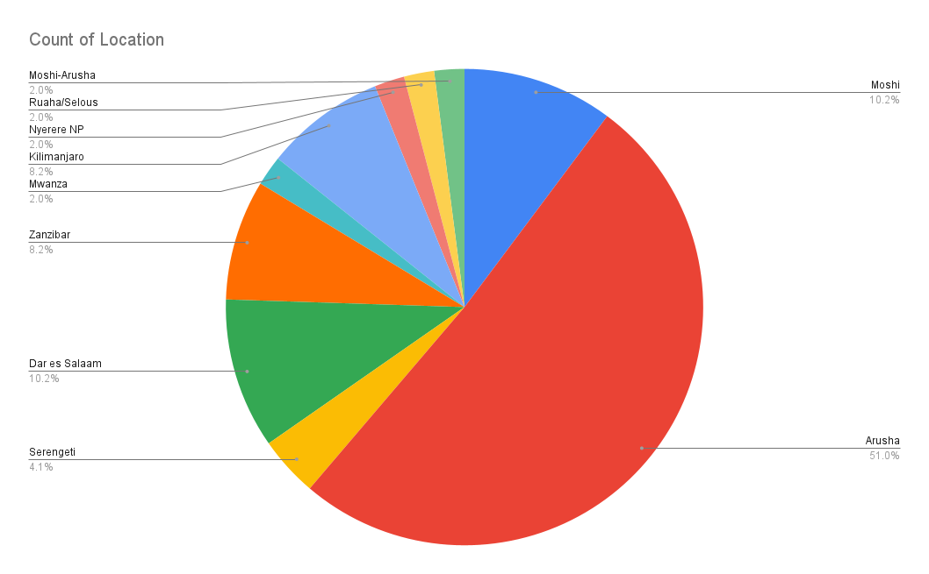
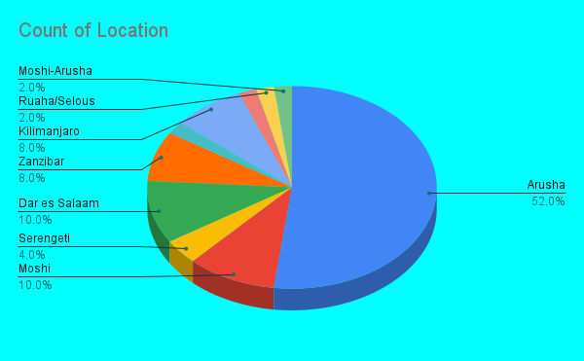
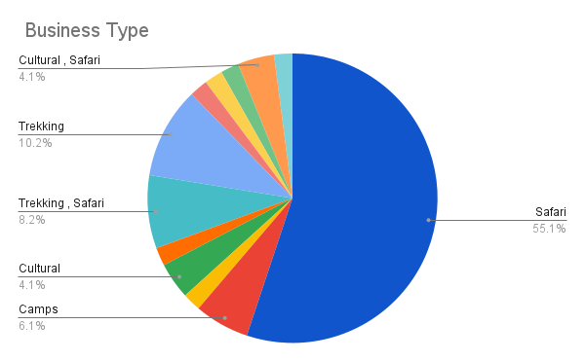
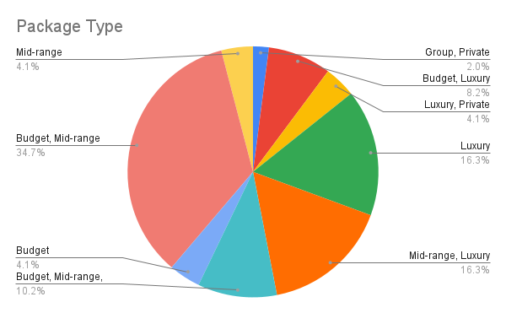
ID | Company Name | Location | Business Type | Service Category | Package Type | Website | Email | Phone | Notes | Source
1 | Roy Safaris | Arusha | Safari | Game drives, Kilimanjaro, Cultural tours,beach tour | Budget, Mid-range, Luxury | http://www.roysafaris.co.tz/ | enquiries@roysafaris.co.tz | +255 745 182 923 | Well established local operator | roysafaris.com
2 | Zara Tanzania Adventures | Moshi | Safari | Kilimanjaro climbs, Safaris, Zanzibar beach | Group, Private | https://www.zara@zaratours.com | zara@zaratours.com | +255 753 997 777 | Popular Kilimanjaro operator | zaratanzania.com
3 | Leopard Tours | Arusha | Safari | Game drives, Beach, Kilimanjaro | Budget, Luxury | http://www.leopard-tours.com/ | leopardtours@leopardtours.co.tz | +255 694 141 243 | Family-friendly packages | leopard-tours.com
4 | Thomson Safaris | Arusha | Safari | Safaris, Kilimanjaro, Cultural | Luxury, Private | http://thomsonsafaris.com | info@thomsonsafaris.com | N/A | US-based operator | thomsonsafaris.com
5 | Asilia Africa | Arusha | Camps | Luxury camps, Fly-in safaris, Conservation | Luxury | http://asiliaafrica.com | enquiries@asiliaafrica.com | +255 736 500 515 | Award-winning camps | asiliaafrica.com
6 | Nomad Tanzania | Arusha | Safari , Camps | Walking safaris, Fly camps, Chimp trekking | Luxury, Private | http://www.nomad-tanzania.com | info@nomad-tanzania.com | +255 787 595908 | Best for off-the-beaten-path | nomad-tanzania.com
7 | Tanzania &Beyond | Arusha | Safari | Lodge stays, beach safaris, Conservation | Luxury | http://www.tanzaniaandbeyond.com | info@tanzaniaandbeyond.com | +255 784 360 721 | International luxury brand | Tanzaniaandbeyond.com
8 | Singita Tanzania | Serengeti | Safari | Exclusive lodges, Game drives, Conservation | Luxury | http://www.singita.com | enquiries@singita.com | +27 21 683 3424 | Among world's top lodges | singita.com
9 | Selous Safari Company | Dar es Salaam | Safari | Boat safaris, Game drives, Walking | Mid-range, Luxury | http://www.selous.com | info@selous.com | +255 22 212 8485 | Nyerere/Selous specialists | selous.com
10 | Zanzibar Different | Zanzibar | Safari | Cultural tours, Spice tours, Beach | Budget, Mid-range, Luxury | http://www.zanzibardifferent.com | info@zanzibardifferent.com | +255 777 430 117 | Zanzibar specialists | zanzibardifferent.com
11 | One Ocean Zanzibar | Zanzibar | Safari | Diving, Snorkeling, Dolphin tours, Fishing | Budget, Mid-range, Luxury | http://zanzibaroneocean.com | info@zanzibaroneocean.com | +255 774 310 003 | Best for water activities | oneoceanzanzibar.com
12 | Eco & Culture Tours Zanzibar | Zanzibar | Cultural | Stone Town tours, Village tours, Spice tours | Budget | http://www.ecoculture-zanzibar.com | info@ecoculture-zanzibar.com | +255 755 873 066 | Community-based tourism | ecoculture-zanzibar.com
13 | Serengeti Serena Safari Lodge | Serengeti | Safari | Lodge stays, Game drives, Beach | Luxury | http://www.serenahotels.com | reservations@serena.co.tz | +255 682 891276 | Hotel chain across Tanzania | serenahotels.com
14 | Coastal Aviation | Dar es Salaam | Safari | Scheduled & charter flights, Fly-in safaris | Budget, Mid-range, Luxury | http://www.coastal.co.tz | reservations@coastal.co.tz | +255 679 009 999 | Main domestic safari airline | coastal.co.tz
15 | Auric Air | Mwanza | Safari | Charter flights, Scheduled routes | Budget, Mid-range, Luxury | http://www.auricair.com | info@auricair.com | +255 746 986 123 | Northern & western routes | auricair.com
16 | African Environments | Arusha | Safari | Walking safaris, Private camps, Serengeti | Luxury | http://www.africanenvironments.com | adventure@africanenvironments.co.tz | +255 756 854 246 | High-end private camping | africanenvironments.com
17 | Dorobo Safaris | Arusha | Cultural | Walking safaris, Cultural, Conservation | Mid-range, Luxury | http://www.dorobosafaris.com | dorobo@dorobo.co.tz | +255 781 805 300 | Community conservation focus | dorobosafaris.com
18 | Good Earth Tours | Arusha | Safari, Cultural | Game drives, Cultural tours, Kilimanjaro | Budget, Mid-range | https://goodearthtours.com/ | info@goodearthtours.com | +1 888 776 7173 | Locally owned operator | goodearthtours.com
19 | Hoopoe Safaris | Arusha | Safari | Walking safaris, Cultural, Serengeti | Mid-range, Luxury | http://www.hoopoesafari.com | information@hoopoe.com | N/A | Pioneer of walking safaris | hoopoesafaris.com
20 | Nature Discovery | Arusha | Trekking , Safari | Kilimanjaro, Safaris, Mount Meru | Budget, Mid-range | http://www.naturediscovery.com | info@NatureDiscovery.com | +255 27 254 4063 | Trekking specialists | naturediscovery.com
21 | Sunny Safaris | Arusha | Safari | Game drives, Kilimanjaro, Zanzibar | Budget, Mid-range | http://www.sunnysafaris.com | info@sunnysafaris.com | +255 27 250 8184 | Budget-friendly option | sunnysafaris.com
22 | Ranger Safaris | Arusha | Safari | Game drives, Cultural, Zanzibar | Budget, Mid-range | http://www.rangersafaris.com | info@rangesafaris.com | N/A | Locally owned operator | rangersafaris.com
23 | Pristine Trails | Moshi | Trekking , Safari | Kilimanjaro, Safaris, Off-road | Mid-range, Luxury | http://pristinetrails.com | sales@pristinetrails.com | +1 818 825 9645 | Adventure specialists | pristinetrails.com
24 | Altezza Travel | Arusha | Trekking , Safari | Kilimanjaro, Safaris, Zanzibar | Budget, Luxury | http://altezzatravel.com/ | press@altezza.travel | +255 717 120 809 | Strong Kilimanjaro focus | altezzatravel.com
25 | Via Tanzania Expeditions | Arusha | Safari | Game drives, Kilimanjaro, Cultural | Budget, Mid-range | http://www.viaafricaexpeditions.com | info@viaafricaexpeditions.com | +255 742 426 299 | Budget operator | viaafricaexpeditions.com
26 | Kibo Slopes Safaris | Arusha | Trekking | Kilimanjaro, Mount Meru, Cultural | Budget, Mid-range | http://kiboslopes.com | arusha@kiboslopes.com | +255-699-708419 | Kilimanjaro region based | kiboslopessafaris.com
27 | African Scenic Safaris | Moshi | Safari | Game drives, Cultural | Budget, Mid-range | http://africanscenicsafaris.com | info@africanscenicafaris.com | +255 784 413 801 | Competitive rates | africanscenicafaris.com
28 | Tanzania Odyssey | Arusha | Luxury | Tailor-made safaris, Honeymoon, Private | Luxury | http://www.tanzaniaodyssey.com | info@tanzaniaodyssey.com | +44 20 8704 1216 | UK-based Tanzania specialist | tanzaniaodyssey.com
29 | Peak Planet | Kilimanjaro | Trekking | Kilimanjaro climbs, Trekking | Budget, Mid-range | https://peakplanet.com/ | info@peakplanet.com | (480) 463-4058 Main Line | Online booking focus | peakplanet.com
30 | Climbing Kilimanjaro | Kilimanjaro | Trekking | Kilimanjaro, Mount Meru | Budget, Mid-range | http://www.climbing-kilimanjaro.com | info@climbing-kilimanjaro.com | N/A | Route specialists | climbingkilimanjaro.com
31 | Kilimanjaro Experts | Kilimanjaro | Trekking | Kilimanjaro climbs - all routes | Budget, Luxury | https://kilimanjaroexperts.com/ | henry@kilimanjaroexperts.com | +44 7710 973063 | Route expertise | kilimanjaroexperts.com
32 | Marangu Hotel Tours | Kilimanjaro | Trekking | Kilimanjaro, Mount Meru, Cultural | Budget, Mid-range | http://www.maranguhotel.com | info@maranguhotel.com | +255 754 886 092 | Oldest Kili operator | maranguhotel.com
33 | Snow Cap | Moshi | Trekking , Safari | Kilimanjaro, Safaris, Cultural | Budget, Mid-range | http://snowcap.co.tz | info@snowcap.co.tz | +255 767 266 989 | Moshi-based operator | snowcap.com
34 | Elewan Collection | Nyerere NP | Camps | Boat safaris, Walking, Game drives | Luxury | http://www.elewanacollection.com | info@elewana.com | +255 784 250 630 | Remote southern luxury | elewanacollection.com
35 | Safari Desire | Dar es Salaam | Safari , Beach | Game drives, Walking, Cultural | Luxury | http://www.southerntanzaniasafari.com | info@southerntanzaniasafari.com | +255 789 868 025 | Intimate bush camp | southerntanzaniasafari.com
36 | Foxes Safari Camps | Ruaha/Selous | Camps | Game drives, Walking, Boat safaris | Mid-range, Luxury | http://www.foxessafaricamps.com | fox@tanzaniasafaris.info | +255 754 237 422 | Southern circuit focus | foxessafaricamps.com
37 | Authentic Tanzania | Dar es Salaam | Safari | Custom safaris, Zanzibar, Kilimanjaro | Budget, Mid-range, Luxury | https://authentictanzania.com/ | info@authentictanzania.com | +255 786 019 965 | Bespoke itineraries | authentictanzania.com
38 | Bush 2 Beach Safaris | Arusha | Safari ,Beach | Game drives, Zanzibar, Kilimanjaro | Mid-range, Luxury | http://www.bush2beach.com | sales@bush2beach.com | +255 754 096 006 | Combined safari-beach | bush2beach.com
39 | African Horizons Travel | Arusha | Safari | Game drives, Kilimanjaro, Cultural | Budget, Mid-range | http://africahorizontravel.com | info@africahorizontravel.com | +255 742 752 574 | Competitive rates | africahorizontravel.com
40 | Tanzania Adventure Tours | Arusha | Safari | Safaris, Trekking, Adventure sports | Budget, Mid-range | http://www.tanzaniaadventuretours.com | N/A | +255 754 263 039 | Adventure focus | tanzaniaadventuretours.com
41 | Maasai Wanderings | Arusha | Cultural , Safari | Cultural tours, Maasai community, Safaris | Budget, Mid-range | http://maasaiwanderings.com | info@maasaiwanderings.com | +255 687 417 026 | Community tourism | maasaiwanderings.com
42 | Simba Safaris | Arusha | Safari | Game drives, Zanzibar, Kilimanjaro | Budget | http://simbasafaris.com | simba@simbasafaris.co.tz | +255 784 786 395 | Budget-friendly | simbasafaris.com
43 | Blue Baobab Safari | Arusha | Safari | Game drives, Cultural, Beach | Budget, Mid-range | http://www.africadmcs.net/blue-baobab-safari | bluebaobabsafari@africadmcs.net | +255 789 020 109 | Locally owned | fricadmcs.net/blue-baobab-safari
44 | Karibu Tanzania Safaris | Arusha | Safari | Game drives, Kilimanjaro, Cultural | Budget, Mid-range | http://kaributanzaniasafaris.com | info@kaributanzaniasafaris.com | +255 767 520 417 | Welcoming service | kaributanzaniasafaris.com
45 | Heritage Tours & Safaris | Zanzibar | Cultural , Safari | Cultural, Beaches,Historical, Game drives | Mid-range | http://heritagetoursafaris.com | info@heritagetoursafaris.com | +255 713 858 002 | Historical heritage focus | heritagetoursafaris.com
46 | Acacia Collections | Arusha | Camps , Lodges | Game drives, Zanzibar, Kilimanjaro | Budget, Mid-range | http://acaciacollections.com | info@acaciacollections.com | +255 710 828 384 | Overland & safari | acaciacollections.com
47 | East Africa Safaris | Moshi | Safari | Multi-country, Game drives, Cultural | Budget, Luxury | http://www.eastafricasafaris.co.tz | eastafricasafarismd@gmail.com | +255750 324 050 | EA circuit specialists | eastafricasafaris.co.tz
48 | Tanzania Specialist | Arusha | Safari | Tailor-made, Honeymoon, Family | Mid-range, Luxury | http://tanzania-specialist.com | safaris@tanzaniaspecialist.com | +255 695 164 515 | Bespoke focus | tanzania-specialist.com
49 | Tranquilo Safaris | Moshi-Arusha | Safari | Yoga retreats, Safaris, Wellness | Mid-range, Luxury | http://tranquilsafari.com | info@tranquilsafari.com | +255 747 541 280 | Wellness + safari niche | tranquilosafaris.com
50 | Bushbuck Safaris | Dar es Salaam | Safari | Game drives, Walking, Cultural | Mid-range | http://www.bushbuckltd.com | bushbuck@bushbucksafaris.co.tz | +255 738 777 999 | Southern circuit focus | bushbucksafaris.com

Chart1
